ML model
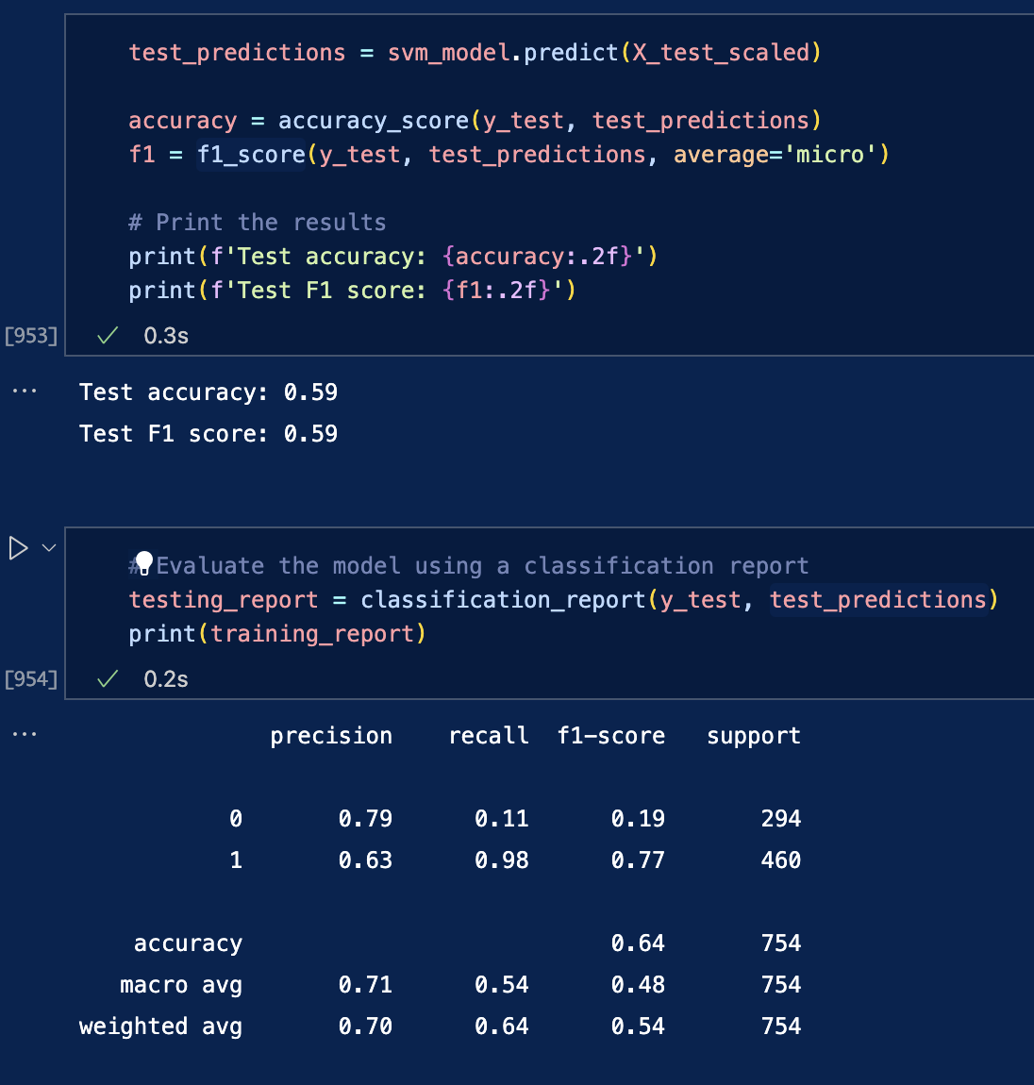
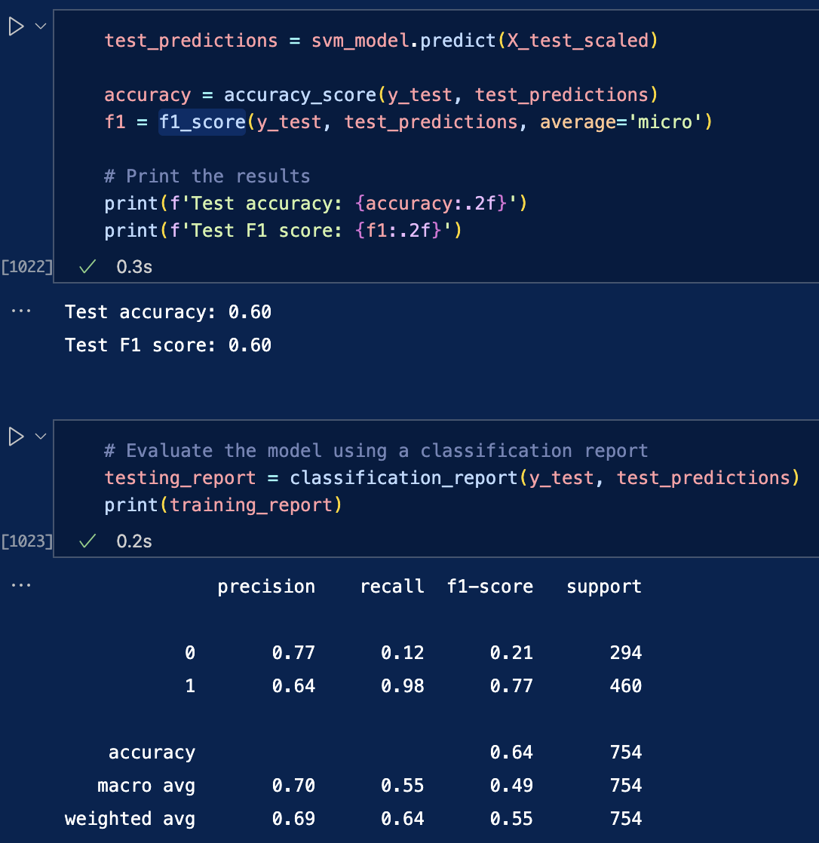
1. SVM | only dummies | 2. Adding Fat per serving, No cluster | 3. Adding Fat per serving, and cluster per macro-nutrient | 4. Fiixing class imbalance (using oversampling class 0)
 | F1 = 0.59 | F1 = 0.6 | F1 = 0.61 | F1 = 0.74

